Answer 2 Report
Answer:

A copula is defined as a multivariate probability distribution for which the marginal probability distribution of each variable is uniform. They are used to describe the dependence between
random variables and are essentially correlation patterns between random variables.

We can explain its concept through a simple example of trying to find the correlation between the variation of state home prices for the four states of Arizona, California, Nevada and Florida.
The data for the same is taken from the text book example, which gives the quarterly values from 1991 to 2010.

Our first step in this case is to calculate the quarterly change for each of the four states over the years.
Trying to fit a copula using modelrisk gives a best match with the Gumbell Copula which can be seen as follows:

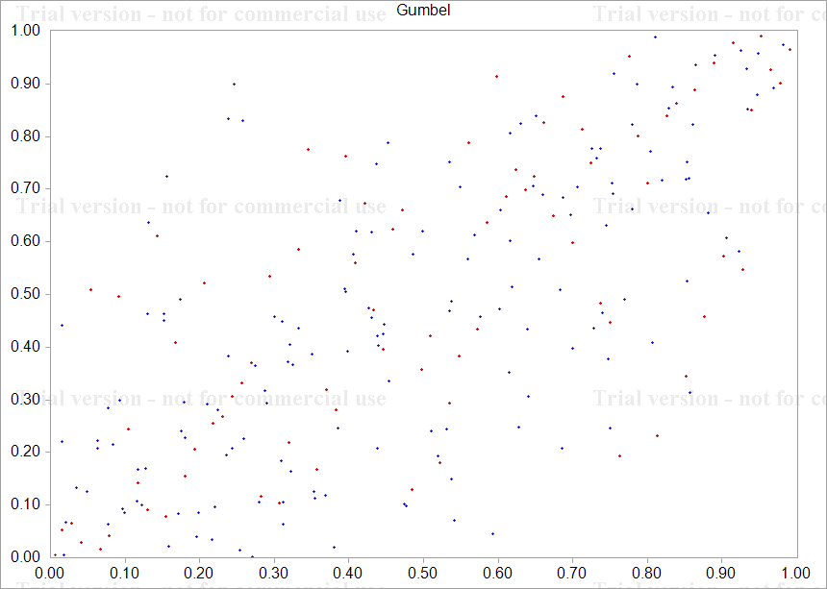

The Gumbell copula is:
AZ | CA | NV | FL
0.24966392761 | 0.075314496883 | 0.12378674592 | 0.25681168738

These represent the four copulas of the four distributions and the values themselves are the U values, which captures historic data patterns, for the creation of each of the data series.
These can then be used to simulate the data series further and for fitting distributions as seen in the Answer 2 Model Sheet where the last parameter referenced in each distribution is the U value
obtained from the copulas.

Answer 2 Example
year | quarter | index_nsa AZ | index_nsa CA | index_nsa NV | index_nsa FL |  | AZ change | CA change | NV Change | FL change
1991 | 1 | 100 | 100 | 100 | 100 |  |  |  |  |  | For AZ
1991 | 2 | 100.13 | 99.64 | 101.13 | 100.55 |  | 0.0012991557316 | -0.0036064955941 | 0.011236631926 | 0.0054849302306
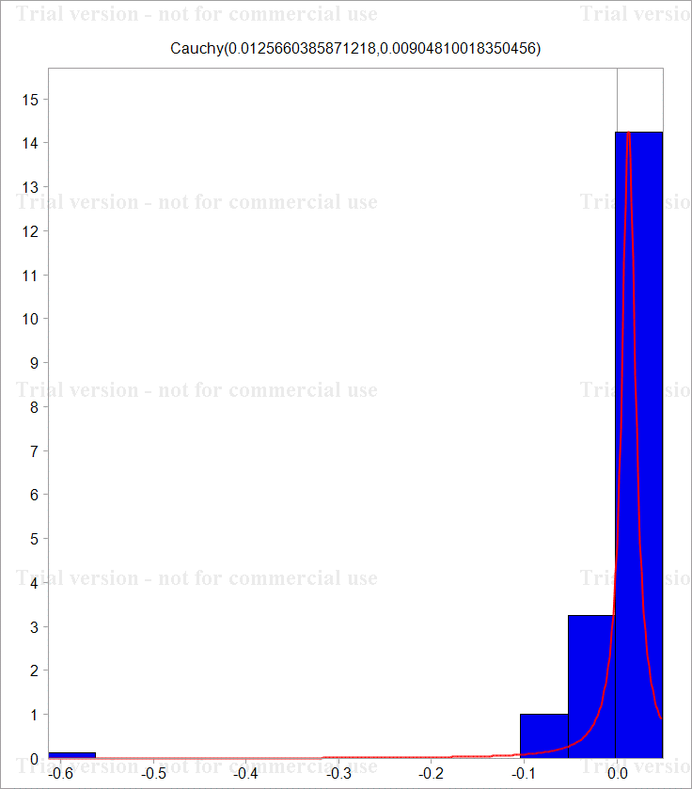
1991 | 3 | 98.99 | 99.44 | 100.93 | 100.35 |  | -0.011450506788 | -0.0020092431915 | -0.0019796106633 | -0.0019910409763
1991 | 4 | 101.88 | 99.69 | 102.17 | 100.91 |  | 0.02877681518 | 0.0025109238322 | 0.012210885353 | 0.0055649552341
1992 | 1 | 101.82 | 99.05 | 103.12 | 101.33 |  | -0.00058910163707 | -0.0064405978901 | 0.0092552660276 | 0.0041534869838
1992 | 2 | 101.28 | 97.97 | 102.42 | 101.05 |  | -0.0053175900783 | -0.010963463788 | -0.0068113525965 | -0.0027670736106
1992 | 3 | 102.47 | 97.72 | 104.42 | 102.37 |  | 0.011681114416 | -0.002555062967 | 0.019339221948 | 0.012978257082
1992 | 4 | 103.62 | 95.96 | 104.81 | 102.82 |  | 0.011160288575 | -0.018174808418 | 0.0037279591997 | 0.0043861856957
1993 | 1 | 103.86 | 93.69 | 104.07 | 102.6 |  | 0.0023134770295 | -0.023939978008 | -0.0070854375323 | -0.0021419538907
1993 | 2 | 105.16 | 93.01 | 106.37 | 104.01 |  | 0.012439161446 | -0.0072844457087 | 0.021859832614 | 0.013649115628
1993 | 3 | 106.45 | 91.46 | 106.41 | 104.8 |  | 0.012192391478 | -0.016805296024 | 0.00037597519007 | 0.0075667235219
1993 | 4 | 108.84 | 90.36 | 106.76 | 105.63 |  | 0.022203522576 | -0.01210002663 | 0.0032837670827 | 0.0078886499481
1994 | 1 | 109.58 | 88.82 | 107.72 | 106.12 |  | 0.0067759621952 | -0.017189841736 | 0.0089519434071 | 0.0046281074345
1994 | 2 | 112.27 | 88.55 | 109.52 | 106.79 |  | 0.02425180836 | -0.0030444856351 | 0.016571913037 | 0.0062937599139
1994 | 3 | 113.68 | 88.36 | 110.63 | 108.1 |  | 0.012480799318 | -0.0021479856769 | 0.010084119067 | 0.012192435462
1994 | 4 | 116.01 | 86.91 | 110.8 | 108.57 |  | 0.020288910498 | -0.016546278103 | 0.0015354742664 | 0.0043384015986
1995 | 1 | 116.9 | 86.17 | 110.4 | 108.91 |  | 0.0076424741907 | -0.0085510111977 | -0.0036166404702 | 0.0031267268438
1995 | 2 | 118.05 | 85.99 | 113.74 | 109.12 |  | 0.0097893950535 | -0.0020910788289 | 0.029805008036 | 0.0019263410076
1995 | 3 | 120.42 | 86.15 | 114.14 | 110.55 |  | 0.019877368505 | 0.0018589525511 | 0.0035106232299 | 0.013019713208
1995 | 4 | 121.11 | 85.05 | 113.94 | 110.52 |  | 0.0057135914967 | -0.012850644132 | -0.0017537710563 | -0.00027140724824
1996 | 1 | 122.59 | 85.01 | 114.38 | 110.99 |  | 0.012146230574 | -0.0004704222126 | 0.0038542444349 | 0.0042436071087
1996 | 2 | 124.34 | 85.14 | 115.74 | 112.04 |  | 0.014174294734 | 0.0015280637707 | 0.011820057659 | 0.009415843228
1996 | 3 | 125.55 | 85.4 | 116.21 | 112.77 |  | 0.0096843367624 | 0.0030491403945 | 0.0040526030891 | 0.0064943958523
1996 | 4 | 125.76 | 85.21 | 116.01 | 112.51 |  | 0.0016712430773 | -0.0022273029547 | -0.0017225049475 | -0.0023082396612
1997 | 1 | 126.71 | 84.7 | 116.35 | 113.85 |  | 0.0075256821299 | -0.0060031961819 | 0.002926495461 | 0.011839685927
1997 | 2 | 128.78 | 86.8 | 117.76 | 114.17 |  | 0.016204511299 | 0.024491020008 | 0.012045765232 | 0.0028067731785
1997 | 3 | 129.91 | 87.94 | 119.37 | 115 |  | 0.0087363808976 | 0.013048142086 | 0.013579258126 | 0.007243562675
1997 | 4 | 130.48 | 88.75 | 118.18 | 115.89 |  | 0.0043780553051 | 0.0091686646029 | -0.010019027189 | 0.007709336983
1998 | 1 | 131.74 | 90.74 | 116.79 | 117.65 |  | 0.0096103248998 | 0.02217484588 | -0.011831435627 | 0.015072649827
1998 | 2 | 134.93 | 94.17 | 119.13 | 118.95 |  | 0.02392584223 | 0.037103385286 | 0.019837883521 | 0.010989121576
1998 | 3 | 136.93 | 96.16 | 119.86 | 120.44 |  | 0.014713720901 | 0.020911811265 | 0.0061090612188 | 0.012448466865
1998 | 4 | 137.81 | 97.74 | 120.47 | 121.25 |  | 0.0064060785429 | 0.016297421055 | 0.0050763642487 | 0.0067028262041
1999 | 1 | 139.91 | 100.11 | 121.06 | 123.17 |  | 0.015123433858 | 0.023958689589 | 0.0048855311848 | 0.015710985136
1999 | 2 | 142.49 | 103.35 | 121.73 | 125.26 |  | 0.018272463063 | 0.031851704696 | 0.005519186958 | 0.016826062144
1999 | 3 | 144.83 | 105.58 | 123.46 | 126.79 |  | 0.016288819005 | 0.021347673268 | 0.014111739544 | 0.012140597443
1999 | 4 | 146.27 | 107.8 | 124.42 | 128.7 |  | 0.0098935880862 | 0.020808699079 | 0.0077457221211 | 0.014951940062
2000 | 1 | 148.67 | 111.06 | 124.45 | 131.35 |  | 0.016274855726 | 0.029792937339 | 0.00024108972673 | 0.020381401529
2000 | 2 | 151.11 | 115.25 | 126.64 | 133.81 |  | 0.0162789638 | 0.037033086063 | 0.017444386759 | 0.018555367185
2000 | 3 | 152.43 | 119.02 | 127.05 | 136.72 |  | 0.0086974258481 | 0.03218786434 | 0.0032322941934 | 0.02151415549
2000 | 4 | 154.8 | 122.72 | 128.79 | 139.56 |  | 0.015428486882 | 0.030613791402 | 0.013602461138 | 0.020559577511
2001 | 1 | 156.99 | 126.96 | 131.44 | 143.06 |  | 0.014048147897 | 0.033966738599 | 0.020367302824 | 0.024769506362
2001 | 2 | 160.25 | 131.47 | 134.6 | 147.05 |  | 0.020552986749 | 0.03490661249 | 0.023756943482 | 0.02750854232
2001 | 3 | 162.04 | 134.39 | 136.88 | 151.4 |  | 0.011108122534 | 0.02196733185 | 0.016797212373 | 0.029152676003
2001 | 4 | 164.87 | 136.9 | 138.81 | 155.04 |  | 0.017314066239 | 0.018504711735 | 0.014001462003 | 0.023757807139
2002 | 1 | 165.96 | 141.39 | 140.67 | 158.64 |  | 0.0065895108916 | 0.032271297309 | 0.013310630183 | 0.022954336069
2002 | 2 | 169.37 | 148.53 | 143.72 | 163.86 |  | 0.020338875438 | 0.049264928438 | 0.021450240476 | 0.032374920502
2002 | 3 | 171.93 | 155.57 | 147.82 | 168.47 |  | 0.015001746329 | 0.046308833058 | 0.028128355111 | 0.027745287684
2002 | 4 | 175.54 | 160.19 | 150.38 | 173.25 |  | 0.020779519932 | 0.029264819614 | 0.017170106593 | 0.027977945672 | For CA
2003 | 1 | 178.76 | 166.02 | 154.11 | 178.48 |  | 0.018177186901 | 0.035747652313 | 0.024501209197 | 0.029740912054
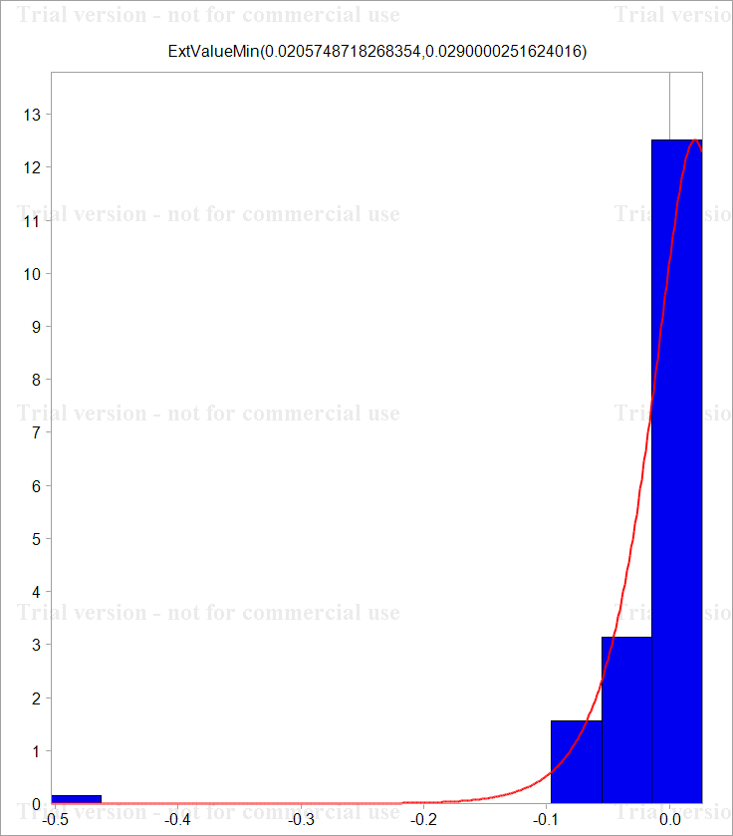
2003 | 2 | 183.13 | 173.3 | 158.73 | 184.18 |  | 0.024152159088 | 0.042915933695 | 0.029538012437 | 0.031436990169
2003 | 3 | 186.29 | 180.9 | 166.73 | 190.18 |  | 0.017108316149 | 0.04292019568 | 0.049171091988 | 0.032057451818
2003 | 4 | 191.53 | 188.9 | 175.63 | 196.69 |  | 0.027739855013 | 0.043273382106 | 0.052003771861 | 0.033657893151
2004 | 1 | 197.34 | 198.33 | 187.11 | 204.26 |  | 0.029883675114 | 0.048714535506 | 0.063317169772 | 0.037764806888
2004 | 2 | 205.34 | 211.54 | 205.35 | 214.71 |  | 0.039739012442 | 0.064481795886 | 0.093019161196 | 0.049894588269
2004 | 3 | 215.89 | 226.15 | 221.93 | 226.54 |  | 0.050101876838 | 0.066784390024 | 0.077646176432 | 0.053633249354
2004 | 4 | 226.44 | 235.16 | 230.92 | 237.3 |  | 0.04771099046 | 0.03906763761 | 0.039709313358 | 0.046403633669
2005 | 1 | 241.5 | 246.38 | 240.64 | 251.27 |  | 0.064389463924 | 0.046608926 | 0.041230710569 | 0.057202894754
2005 | 2 | 266.9 | 261.39 | 256.77 | 268.62 |  | 0.10000458332 | 0.059138485377 | 0.0648787018 | 0.066769683286
2005 | 3 | 287.46 | 273.35 | 261.32 | 284.99 |  | 0.074209663713 | 0.04473948043 | 0.017564967411 | 0.059156350453
2005 | 4 | 297.91 | 277.38 | 270.16 | 296.25 |  | 0.035707707344 | 0.014635381887 | 0.033268666105 | 0.038749600516
2006 | 1 | 310.56 | 279.94 | 273.83 | 303.36 |  | 0.041585691953 | 0.0091868872643 | 0.013493099803 | 0.023716526617
2006 | 2 | 316.74 | 281.33 | 274.21 | 307.88 |  | 0.019704128643 | 0.0049530630239 | 0.0013867603127 | 0.014789877599
2006 | 3 | 313.25 | 276.51 | 274.08 | 308.32 |  | -0.011079654287 | -0.017281370843 | -0.00047420161752 | 0.0014281079999
2006 | 4 | 314.97 | 268.44 | 266.78 | 307.02 |  | 0.0054758024188 | -0.029619561384 | -0.026995685863 | -0.004225312621
2007 | 1 | 314.45 | 265.75 | 264.02 | 305.29 |  | -0.0016523152054 | -0.010071408068 | -0.01039949086 | -0.0056507475082
2007 | 2 | 312.34 | 262.18 | 262.18 | 302.5 |  | -0.0067327429298 | -0.013524726452 | -0.006993567083 | -0.009180867066
2007 | 3 | 307.05 | 249.64 | 252.56 | 288.05 |  | -0.017081737284 | -0.049011410704 | -0.03738244652 | -0.048947201293
2007 | 4 | 285.82 | 230.03 | 235.43 | 276.78 |  | -0.071648358722 | -0.081810144866 | -0.070235214893 | -0.039911109381
2008 | 1 | 274.93 | 209.6 | 220.18 | 257.64 |  | -0.038845722244 | -0.093008782753 | -0.066968235715 | -0.071659705119
2008 | 2 | 264.54 | 194.08 | 204.46 | 238.79 |  | -0.038524051212 | -0.076930507251 | -0.074073036313 | -0.075978757084
2008 | 3 | 246.23 | 183.03 | 186.25 | 222.96 |  | -0.071726410118 | -0.058620371364 | -0.093282500069 | -0.068592121421
2008 | 4 | 225.01 | 170.9 | 163.18 | 207.22 |  | -0.090121212818 | -0.06857148371 | -0.13223597126 | -0.07321135235
2009 | 1 | 220 | 163.3 | 150.65 | 199.81 |  | -0.022517299309 | -0.045489590145 | -0.079894620424 | -0.036414115812
2009 | 2 | 207.63 | 164.62 | 145.49 | 196.47 |  | -0.05786989683 | 0.0080507875681 | -0.034851909849 | -0.016857167114
2009 | 3 | 203.85 | 167.78 | 140.05 | 193.12 |  | -0.018373220257 | 0.019013809874 | -0.038107854021 | -0.017197990549
2009 | 4 | 197.25 | 168.92 | 136.49 | 190.02 |  | -0.032912469539 | 0.0067716326476 | -0.025748149838 | -0.016182427571
2010 | 1 | 191.1 | 166.89 | 132.04 | 186.35 |  | -0.03167510848 | -0.01209031731 | -0.033146444883 | -0.019502703853
2010 | 2 | 189.9 | 168.4 | 134.07 | 183.9 |  | -0.006299233428 | 0.0090071890529 | 0.015257144628 | -0.013234494315
2010 | 3 | 184.66 | 165.37 | 130.67 | 180.65 |  | -0.027981321474 | -0.018156714146 | -0.025686990612 | -0.017830674017
1991 | 1 | 100 | 100 | 100 | 100 |  | -0.61334611036 | -0.50301520167 | -0.26750487501 | -0.59139127161
1991 | 2 | 100.13 | 99.64 | 101.13 | 100.55 |  | 0.0012991557316 | -0.0036064955941 | 0.011236631926 | 0.0054849302306
1991 | 3 | 98.99 | 99.44 | 100.93 | 100.35 |  | -0.011450506788 | -0.0020092431915 | -0.0019796106633 | -0.0019910409763
1991 | 4 | 101.88 | 99.69 | 102.17 | 100.91 |  | 0.02877681518 | 0.0025109238322 | 0.012210885353 | 0.0055649552341
1992 | 1 | 101.82 | 99.05 | 103.12 | 101.33 |  | -0.00058910163707 | -0.0064405978901 | 0.0092552660276 | 0.0041534869838
1992 | 2 | 101.28 | 97.97 | 102.42 | 101.05 |  | -0.0053175900783 | -0.010963463788 | -0.0068113525965 | -0.0027670736106
1992 | 3 | 102.47 | 97.72 | 104.42 | 102.37 |  | 0.011681114416 | -0.002555062967 | 0.019339221948 | 0.012978257082
1992 | 4 | 103.62 | 95.96 | 104.81 | 102.82 |  | 0.011160288575 | -0.018174808418 | 0.0037279591997 | 0.0043861856957
1993 | 1 | 103.86 | 93.69 | 104.07 | 102.6 |  | 0.0023134770295 | -0.023939978008 | -0.0070854375323 | -0.0021419538907
1993 | 2 | 105.16 | 93.01 | 106.37 | 104.01 |  | 0.012439161446 | -0.0072844457087 | 0.021859832614 | 0.013649115628
1993 | 3 | 106.45 | 91.46 | 106.41 | 104.8 |  | 0.012192391478 | -0.016805296024 | 0.00037597519007 | 0.0075667235219
1993 | 4 | 108.84 | 90.36 | 106.76 | 105.63 |  | 0.022203522576 | -0.01210002663 | 0.0032837670827 | 0.0078886499481
1994 | 1 | 109.58 | 88.82 | 107.72 | 106.12 |  | 0.0067759621952 | -0.017189841736 | 0.0089519434071 | 0.0046281074345
1994 | 2 | 112.27 | 88.55 | 109.52 | 106.79 |  | 0.02425180836 | -0.0030444856351 | 0.016571913037 | 0.0062937599139
1994 | 3 | 113.68 | 88.36 | 110.63 | 108.1 |  | 0.012480799318 | -0.0021479856769 | 0.010084119067 | 0.012192435462
1994 | 4 | 116.01 | 86.91 | 110.8 | 108.57 |  | 0.020288910498 | -0.016546278103 | 0.0015354742664 | 0.0043384015986 | For NV
1995 | 1 | 116.9 | 86.17 | 110.4 | 108.91 |  | 0.0076424741907 | -0.0085510111977 | -0.0036166404702 | 0.0031267268438
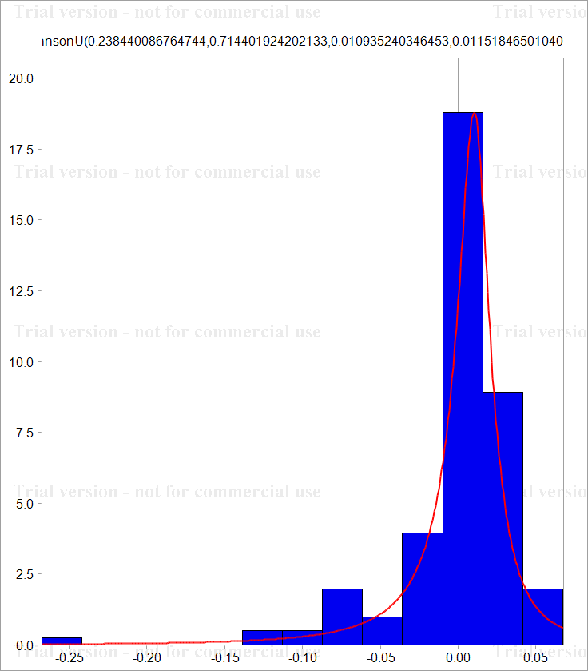
1995 | 2 | 118.05 | 85.99 | 113.74 | 109.12 |  | 0.0097893950535 | -0.0020910788289 | 0.029805008036 | 0.0019263410076
1995 | 3 | 120.42 | 86.15 | 114.14 | 110.55 |  | 0.019877368505 | 0.0018589525511 | 0.0035106232299 | 0.013019713208
1995 | 4 | 121.11 | 85.05 | 113.94 | 110.52 |  | 0.0057135914967 | -0.012850644132 | -0.0017537710563 | -0.00027140724824
1996 | 1 | 122.59 | 85.01 | 114.38 | 110.99 |  | 0.012146230574 | -0.0004704222126 | 0.0038542444349 | 0.0042436071087
1996 | 2 | 124.34 | 85.14 | 115.74 | 112.04 |  | 0.014174294734 | 0.0015280637707 | 0.011820057659 | 0.009415843228
1996 | 3 | 125.55 | 85.4 | 116.21 | 112.77 |  | 0.0096843367624 | 0.0030491403945 | 0.0040526030891 | 0.0064943958523
1996 | 4 | 125.76 | 85.21 | 116.01 | 112.51 |  | 0.0016712430773 | -0.0022273029547 | -0.0017225049475 | -0.0023082396612
1997 | 1 | 126.71 | 84.7 | 116.35 | 113.85 |  | 0.0075256821299 | -0.0060031961819 | 0.002926495461 | 0.011839685927
1997 | 2 | 128.78 | 86.8 | 117.76 | 114.17 |  | 0.016204511299 | 0.024491020008 | 0.012045765232 | 0.0028067731785
1997 | 3 | 129.91 | 87.94 | 119.37 | 115 |  | 0.0087363808976 | 0.013048142086 | 0.013579258126 | 0.007243562675
1997 | 4 | 130.48 | 88.75 | 118.18 | 115.89 |  | 0.0043780553051 | 0.0091686646029 | -0.010019027189 | 0.007709336983
1998 | 1 | 131.74 | 90.74 | 116.79 | 117.65 |  | 0.0096103248998 | 0.02217484588 | -0.011831435627 | 0.015072649827
1998 | 2 | 134.93 | 94.17 | 119.13 | 118.95 |  | 0.02392584223 | 0.037103385286 | 0.019837883521 | 0.010989121576
1998 | 3 | 136.93 | 96.16 | 119.86 | 120.44 |  | 0.014713720901 | 0.020911811265 | 0.0061090612188 | 0.012448466865
1998 | 4 | 137.81 | 97.74 | 120.47 | 121.25 |  | 0.0064060785429 | 0.016297421055 | 0.0050763642487 | 0.0067028262041
1999 | 1 | 139.91 | 100.11 | 121.06 | 123.17 |  | 0.015123433858 | 0.023958689589 | 0.0048855311848 | 0.015710985136
1999 | 2 | 142.49 | 103.35 | 121.73 | 125.26 |  | 0.018272463063 | 0.031851704696 | 0.005519186958 | 0.016826062144
1999 | 3 | 144.83 | 105.58 | 123.46 | 126.79 |  | 0.016288819005 | 0.021347673268 | 0.014111739544 | 0.012140597443
1999 | 4 | 146.27 | 107.8 | 124.42 | 128.7 |  | 0.0098935880862 | 0.020808699079 | 0.0077457221211 | 0.014951940062
2000 | 1 | 148.67 | 111.06 | 124.45 | 131.35 |  | 0.016274855726 | 0.029792937339 | 0.00024108972673 | 0.020381401529
2000 | 2 | 151.11 | 115.25 | 126.64 | 133.81 |  | 0.0162789638 | 0.037033086063 | 0.017444386759 | 0.018555367185
2000 | 3 | 152.43 | 119.02 | 127.05 | 136.72 |  | 0.0086974258481 | 0.03218786434 | 0.0032322941934 | 0.02151415549
2000 | 4 | 154.8 | 122.72 | 128.79 | 139.56 |  | 0.015428486882 | 0.030613791402 | 0.013602461138 | 0.020559577511
2001 | 1 | 156.99 | 126.96 | 131.44 | 143.06 |  | 0.014048147897 | 0.033966738599 | 0.020367302824 | 0.024769506362
2001 | 2 | 160.25 | 131.47 | 134.6 | 147.05 |  | 0.020552986749 | 0.03490661249 | 0.023756943482 | 0.02750854232
2001 | 3 | 162.04 | 134.39 | 136.88 | 151.4 |  | 0.011108122534 | 0.02196733185 | 0.016797212373 | 0.029152676003
2001 | 4 | 164.87 | 136.9 | 138.81 | 155.04 |  | 0.017314066239 | 0.018504711735 | 0.014001462003 | 0.023757807139
2002 | 1 | 165.96 | 141.39 | 140.67 | 158.64 |  | 0.0065895108916 | 0.032271297309 | 0.013310630183 | 0.022954336069
2002 | 2 | 169.37 | 148.53 | 143.72 | 163.86 |  | 0.020338875438 | 0.049264928438 | 0.021450240476 | 0.032374920502
2002 | 3 | 171.93 | 155.57 | 147.82 | 168.47 |  | 0.015001746329 | 0.046308833058 | 0.028128355111 | 0.027745287684
2002 | 4 | 175.54 | 160.19 | 150.38 | 173.25 |  | 0.020779519932 | 0.029264819614 | 0.017170106593 | 0.027977945672
2003 | 1 | 178.76 | 166.02 | 154.11 | 178.48 |  | 0.018177186901 | 0.035747652313 | 0.024501209197 | 0.029740912054
2003 | 2 | 183.13 | 173.3 | 158.73 | 184.18 |  | 0.024152159088 | 0.042915933695 | 0.029538012437 | 0.031436990169
2003 | 3 | 186.29 | 180.9 | 166.73 | 190.18 |  | 0.017108316149 | 0.04292019568 | 0.049171091988 | 0.032057451818
2003 | 4 | 191.53 | 188.9 | 175.63 | 196.69 |  | 0.027739855013 | 0.043273382106 | 0.052003771861 | 0.033657893151
2004 | 1 | 197.34 | 198.33 | 187.11 | 204.26 |  | 0.029883675114 | 0.048714535506 | 0.063317169772 | 0.037764806888
2004 | 2 | 205.34 | 211.54 | 205.35 | 214.71 |  | 0.039739012442 | 0.064481795886 | 0.093019161196 | 0.049894588269
2004 | 3 | 215.89 | 226.15 | 221.93 | 226.54 |  | 0.050101876838 | 0.066784390024 | 0.077646176432 | 0.053633249354
2004 | 4 | 226.44 | 235.16 | 230.92 | 237.3 |  | 0.04771099046 | 0.03906763761 | 0.039709313358 | 0.046403633669
2005 | 1 | 241.5 | 246.38 | 240.64 | 251.27 |  | 0.064389463924 | 0.046608926 | 0.041230710569 | 0.057202894754
2005 | 2 | 266.9 | 261.39 | 256.77 | 268.62 |  | 0.10000458332 | 0.059138485377 | 0.0648787018 | 0.066769683286
2005 | 3 | 287.46 | 273.35 | 261.32 | 284.99 |  | 0.074209663713 | 0.04473948043 | 0.017564967411 | 0.059156350453
2005 | 4 | 297.91 | 277.38 | 270.16 | 296.25 |  | 0.035707707344 | 0.014635381887 | 0.033268666105 | 0.038749600516
2006 | 1 | 310.56 | 279.94 | 273.83 | 303.36 |  | 0.041585691953 | 0.0091868872643 | 0.013493099803 | 0.023716526617
2006 | 2 | 316.74 | 281.33 | 274.21 | 307.88 |  | 0.019704128643 | 0.0049530630239 | 0.0013867603127 | 0.014789877599 | For FL
2006 | 3 | 313.25 | 276.51 | 274.08 | 308.32 |  | -0.011079654287 | -0.017281370843 | -0.00047420161752 | 0.0014281079999
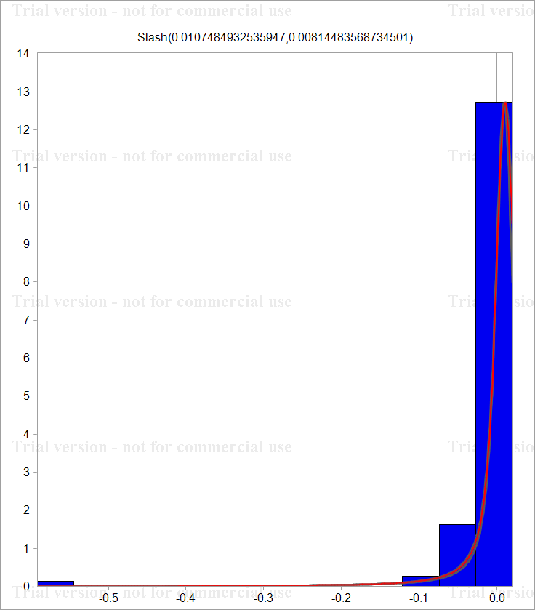
2006 | 4 | 314.97 | 268.44 | 266.78 | 307.02 |  | 0.0054758024188 | -0.029619561384 | -0.026995685863 | -0.004225312621
2007 | 1 | 314.45 | 265.75 | 264.02 | 305.29 |  | -0.0016523152054 | -0.010071408068 | -0.01039949086 | -0.0056507475082
2007 | 2 | 312.34 | 262.18 | 262.18 | 302.5 |  | -0.0067327429298 | -0.013524726452 | -0.006993567083 | -0.009180867066
2007 | 3 | 307.05 | 249.64 | 252.56 | 288.05 |  | -0.017081737284 | -0.049011410704 | -0.03738244652 | -0.048947201293
2007 | 4 | 285.82 | 230.03 | 235.43 | 276.78 |  | -0.071648358722 | -0.081810144866 | -0.070235214893 | -0.039911109381
2008 | 1 | 274.93 | 209.6 | 220.18 | 257.64 |  | -0.038845722244 | -0.093008782753 | -0.066968235715 | -0.071659705119
2008 | 2 | 264.54 | 194.08 | 204.46 | 238.79 |  | -0.038524051212 | -0.076930507251 | -0.074073036313 | -0.075978757084
2008 | 3 | 246.23 | 183.03 | 186.25 | 222.96 |  | -0.071726410118 | -0.058620371364 | -0.093282500069 | -0.068592121421
2008 | 4 | 225.01 | 170.9 | 163.18 | 207.22 |  | -0.090121212818 | -0.06857148371 | -0.13223597126 | -0.07321135235
2009 | 1 | 220 | 163.3 | 150.65 | 199.81 |  | -0.022517299309 | -0.045489590145 | -0.079894620424 | -0.036414115812
2009 | 2 | 207.63 | 164.62 | 145.49 | 196.47 |  | -0.05786989683 | 0.0080507875681 | -0.034851909849 | -0.016857167114
2009 | 3 | 203.85 | 167.78 | 140.05 | 193.12 |  | -0.018373220257 | 0.019013809874 | -0.038107854021 | -0.017197990549
2009 | 4 | 197.25 | 168.92 | 136.49 | 190.02 |  | -0.032912469539 | 0.0067716326476 | -0.025748149838 | -0.016182427571
2010 | 1 | 191.1 | 166.89 | 132.04 | 186.35 |  | -0.03167510848 | -0.01209031731 | -0.033146444883 | -0.019502703853
2010 | 2 | 189.9 | 168.4 | 134.07 | 183.9 |  | -0.006299233428 | 0.0090071890529 | 0.015257144628 | -0.013234494315
2010 | 3 | 184.66 | 165.37 | 130.67 | 180.65 |  | -0.027981321474 | -0.018156714146 | -0.025686990612 | -0.017830674017

 |  |  |  |  |  | Copulas | 0.24966392761 | 0.075314496883 | 0.12378674592 | 0.25681168738

 |  |  |  |  |  | Parameter | 2.1865254136

 |  |  |  |  |  | Distributions | 0.0034988121885 | -0.053293623798 | -0.026222812421 | -0.00078011366484

